Summary
Please refer to worksheet "Company Information Part1" and "Company Information Part2"
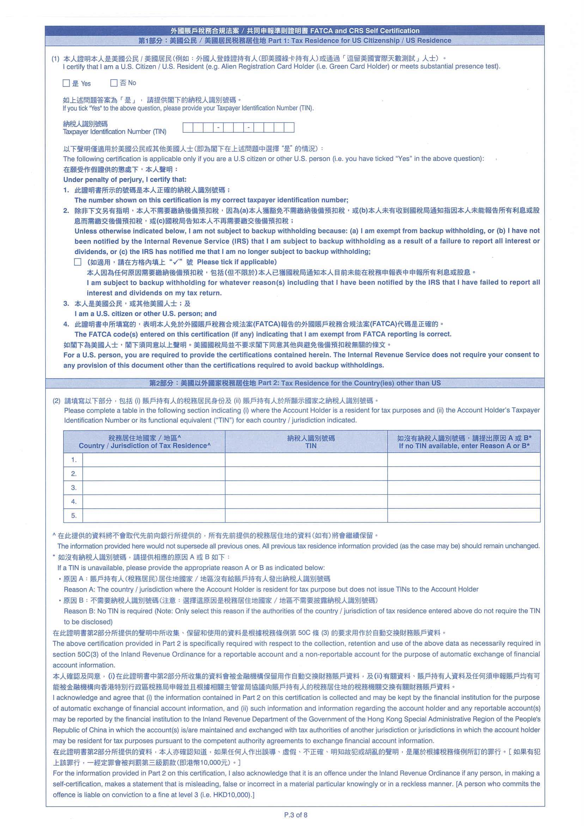
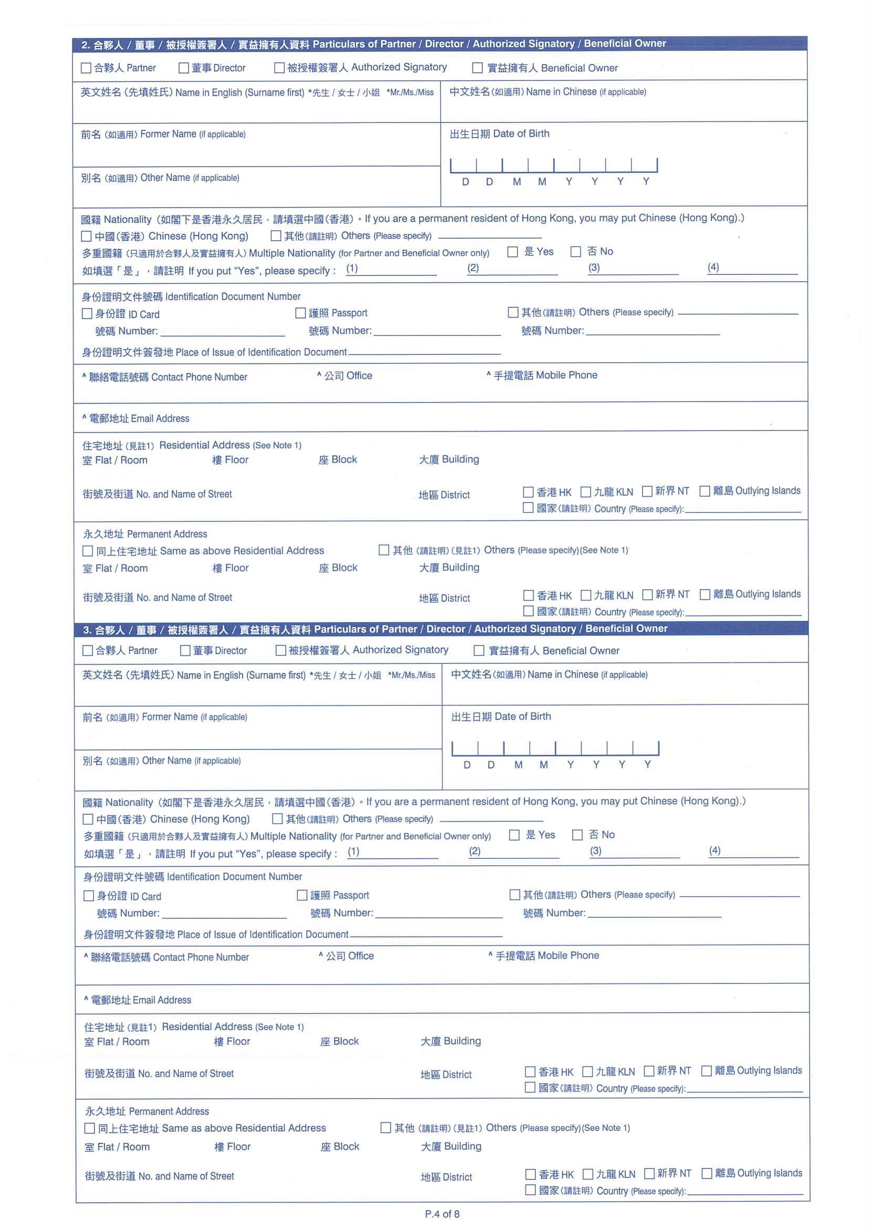
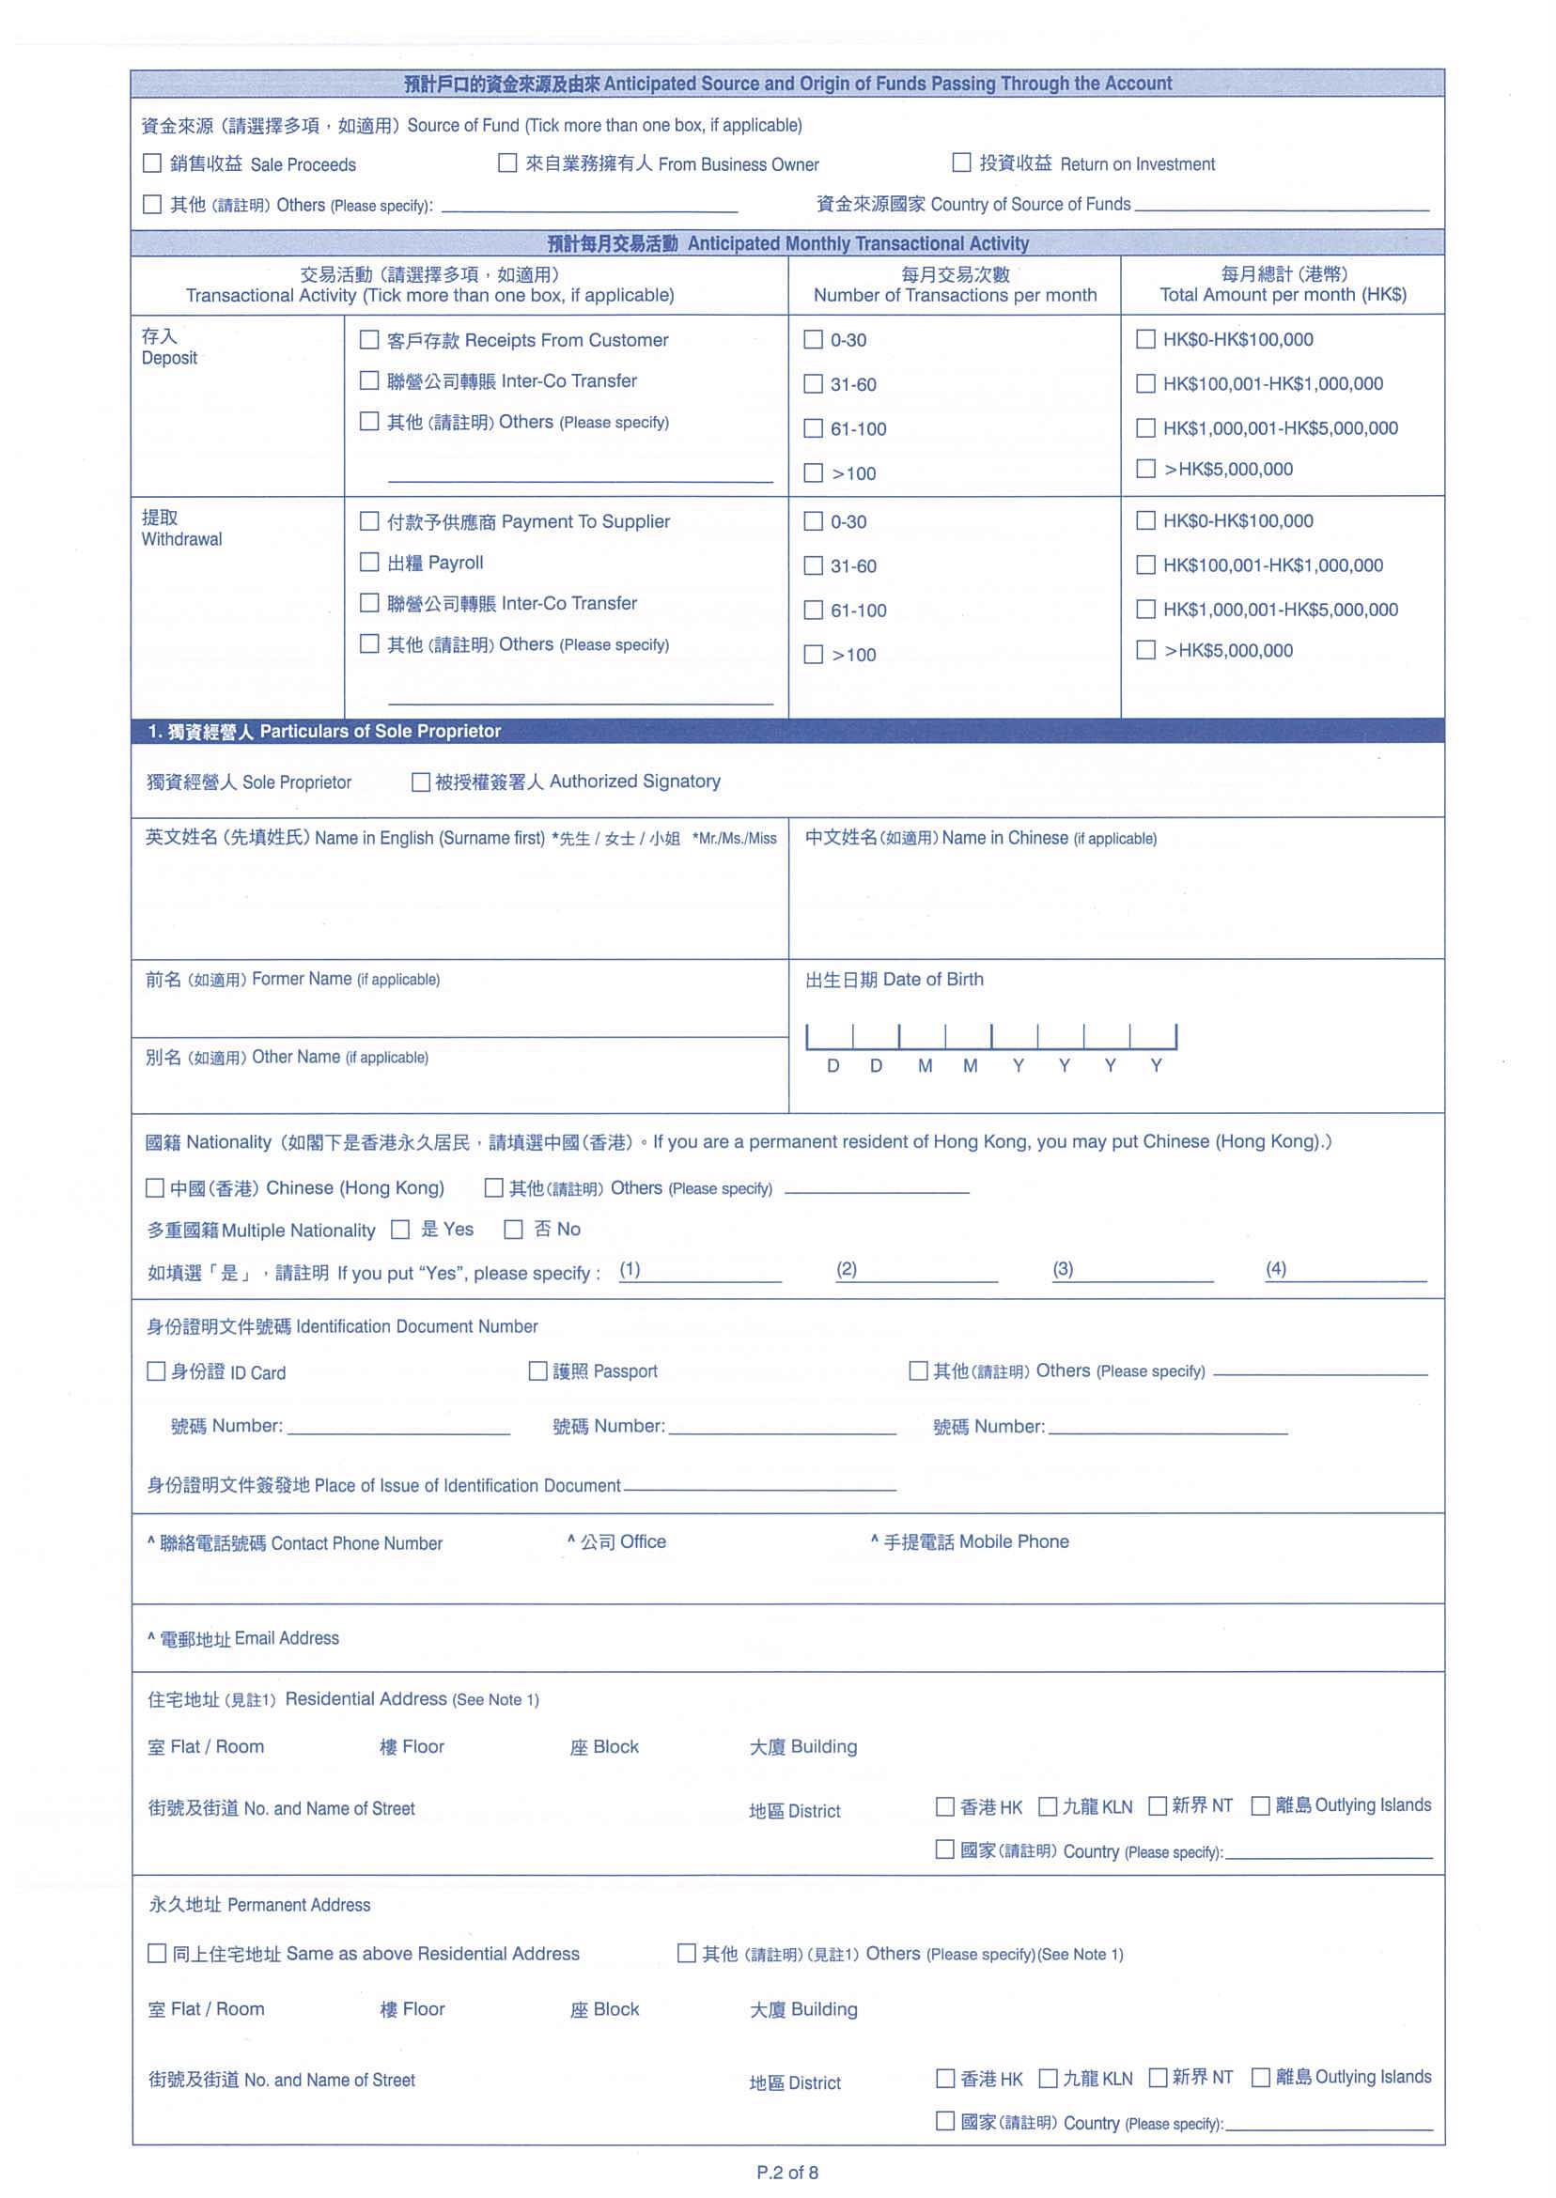
1. Please refer to below existing Business Account Opening form
2. Please refer to respective tab for the detailed field and validation.
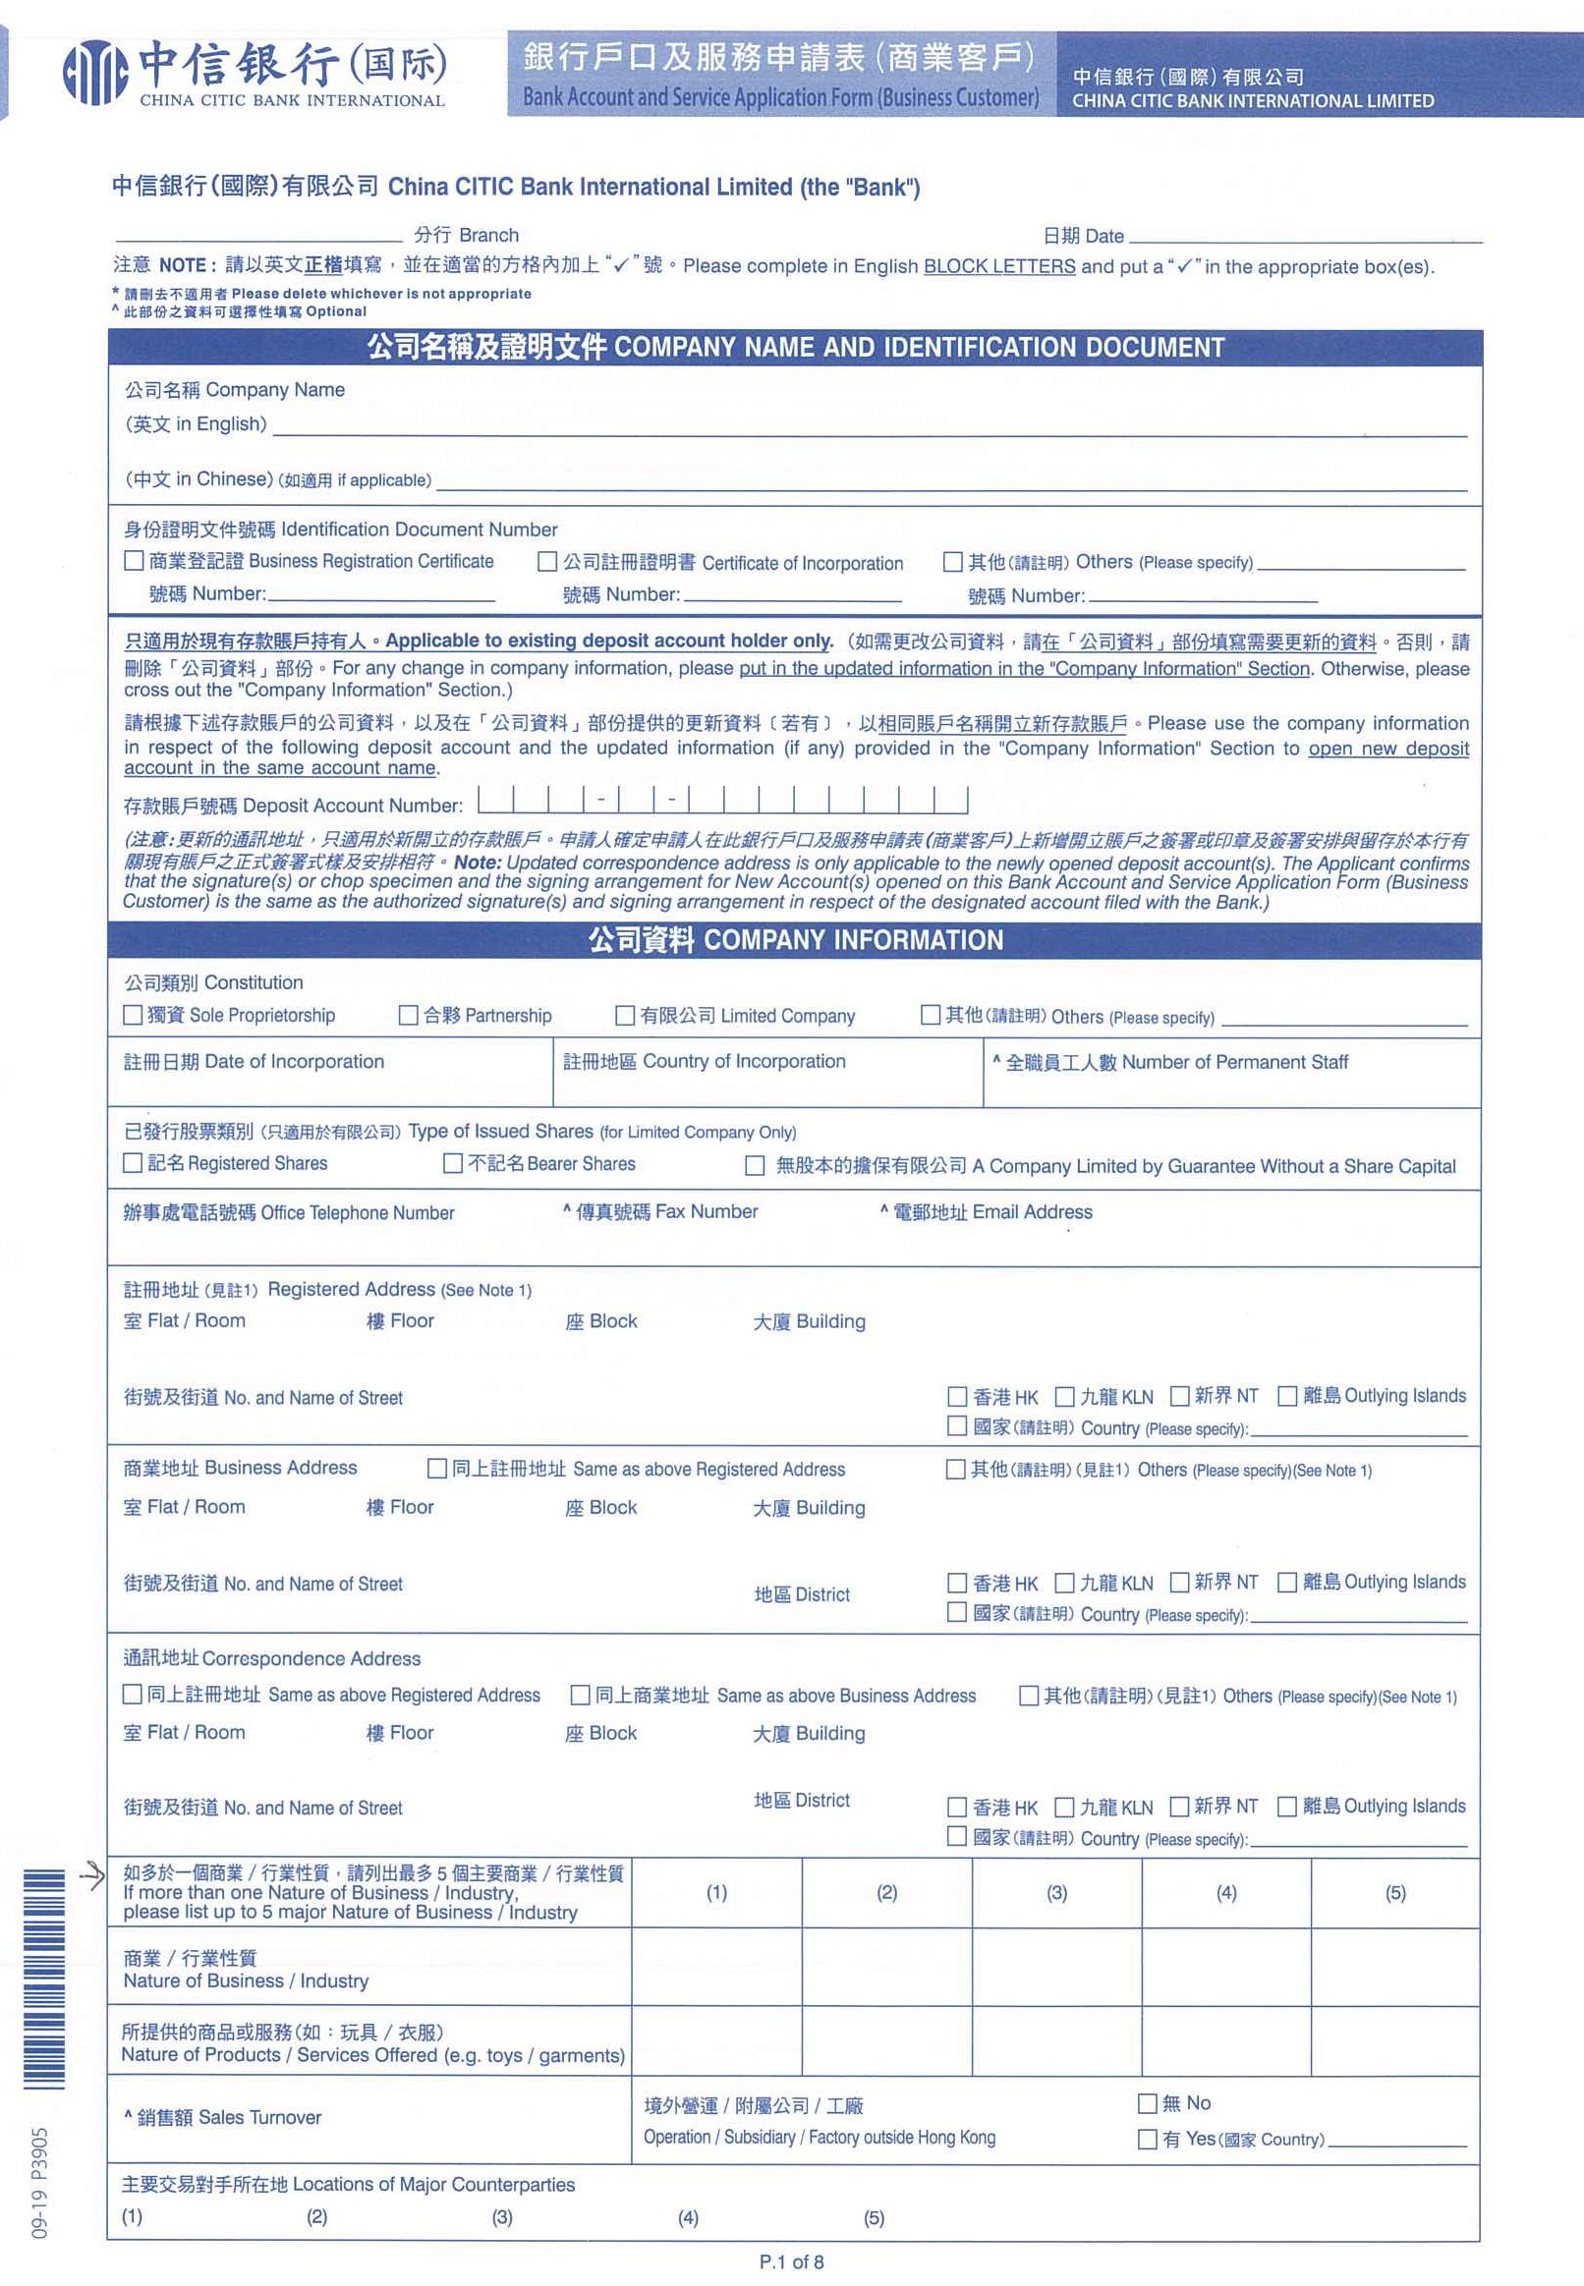

Detailed field and validation of "Particulars of Partner / Director / Authorized Singatory / Beneficial Owner" related party will be provided later in a separate worksheet.
Please refer to worksheet "Company Information Part1" and "Company Information Part2"

Detailed field and validation of "Particulars of Sole Proprietor" related party will be provided later in a separate worksheet.

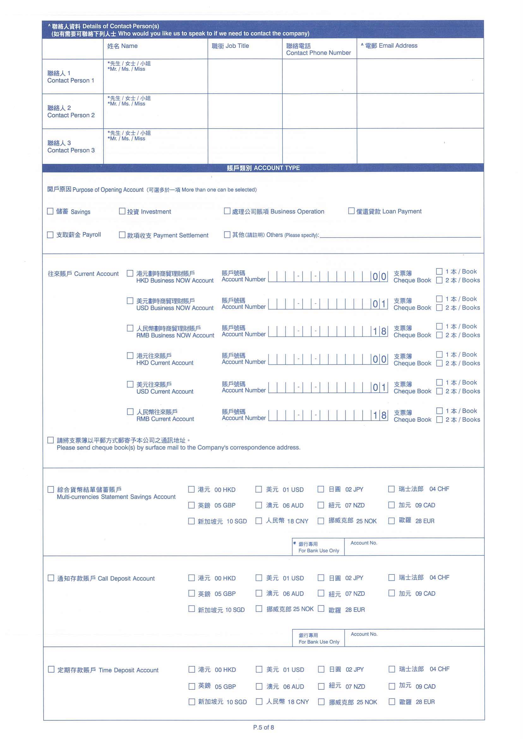
Detailed field and validation of "ATM service" will be provided later in a separate worksheet.
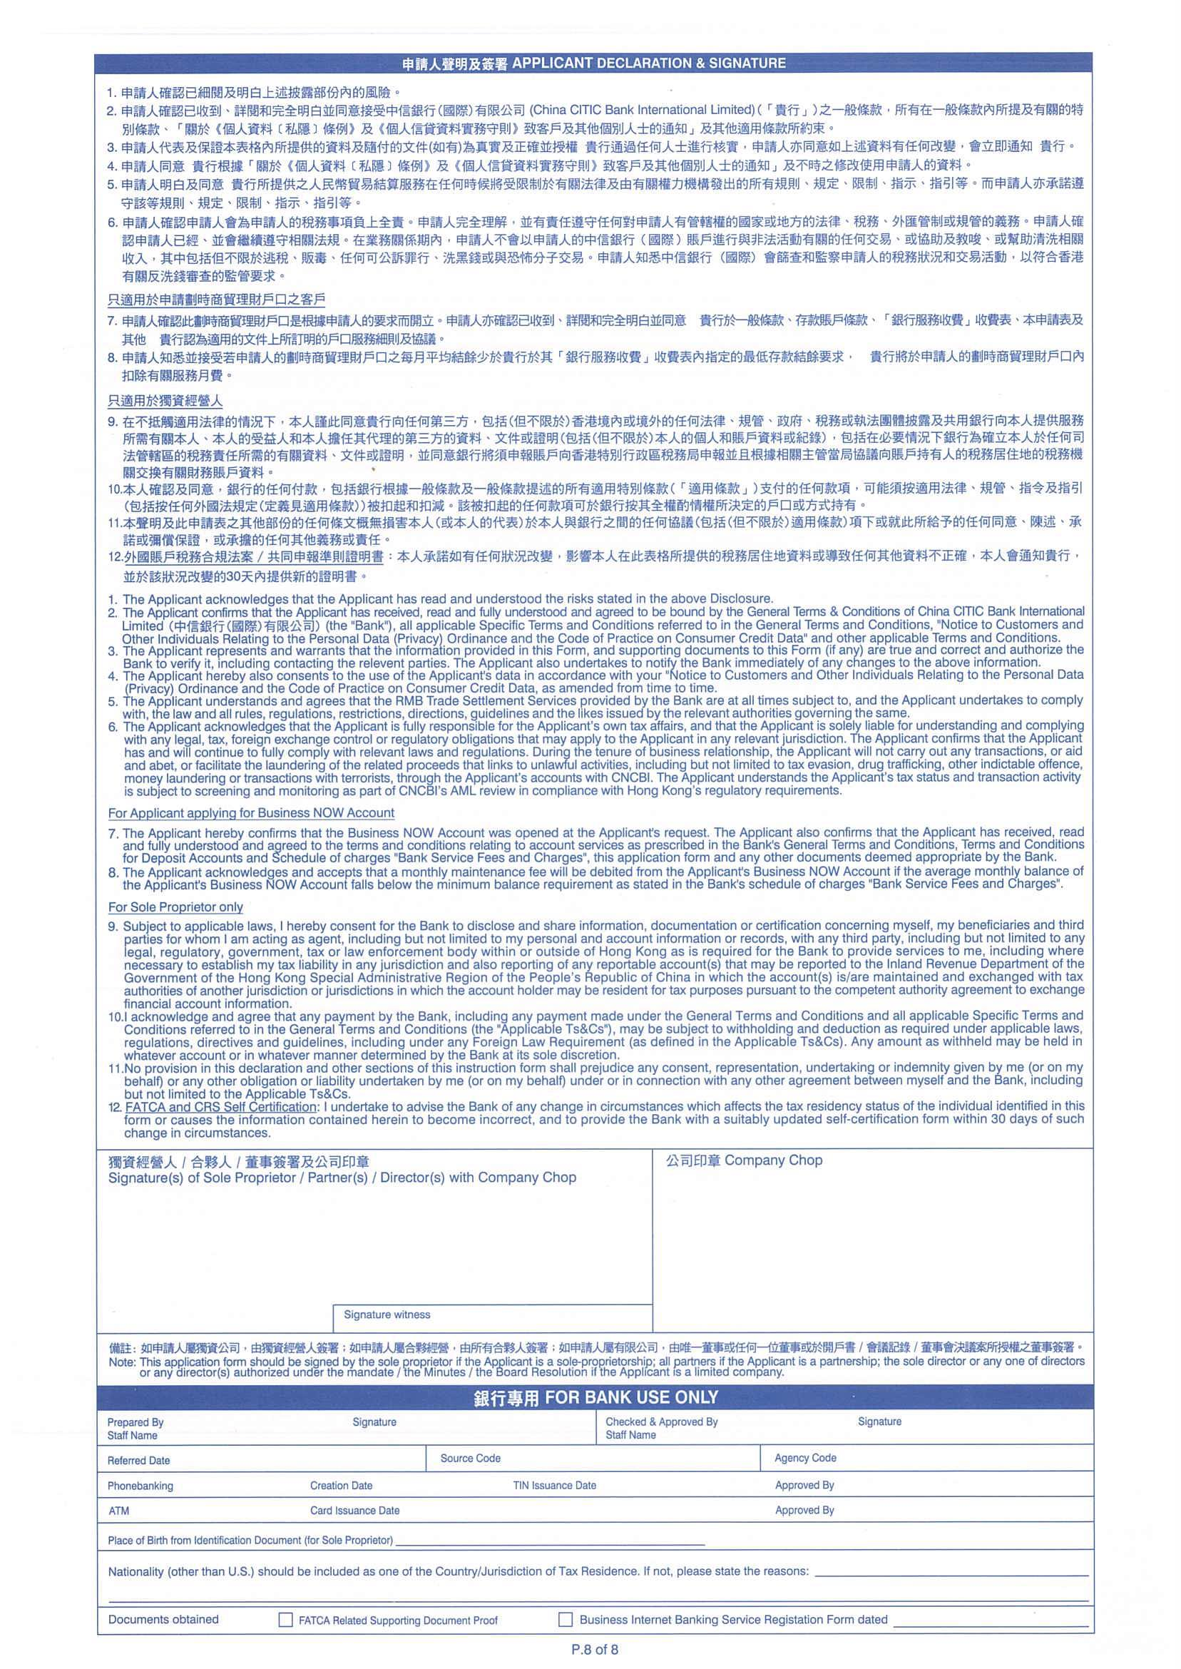
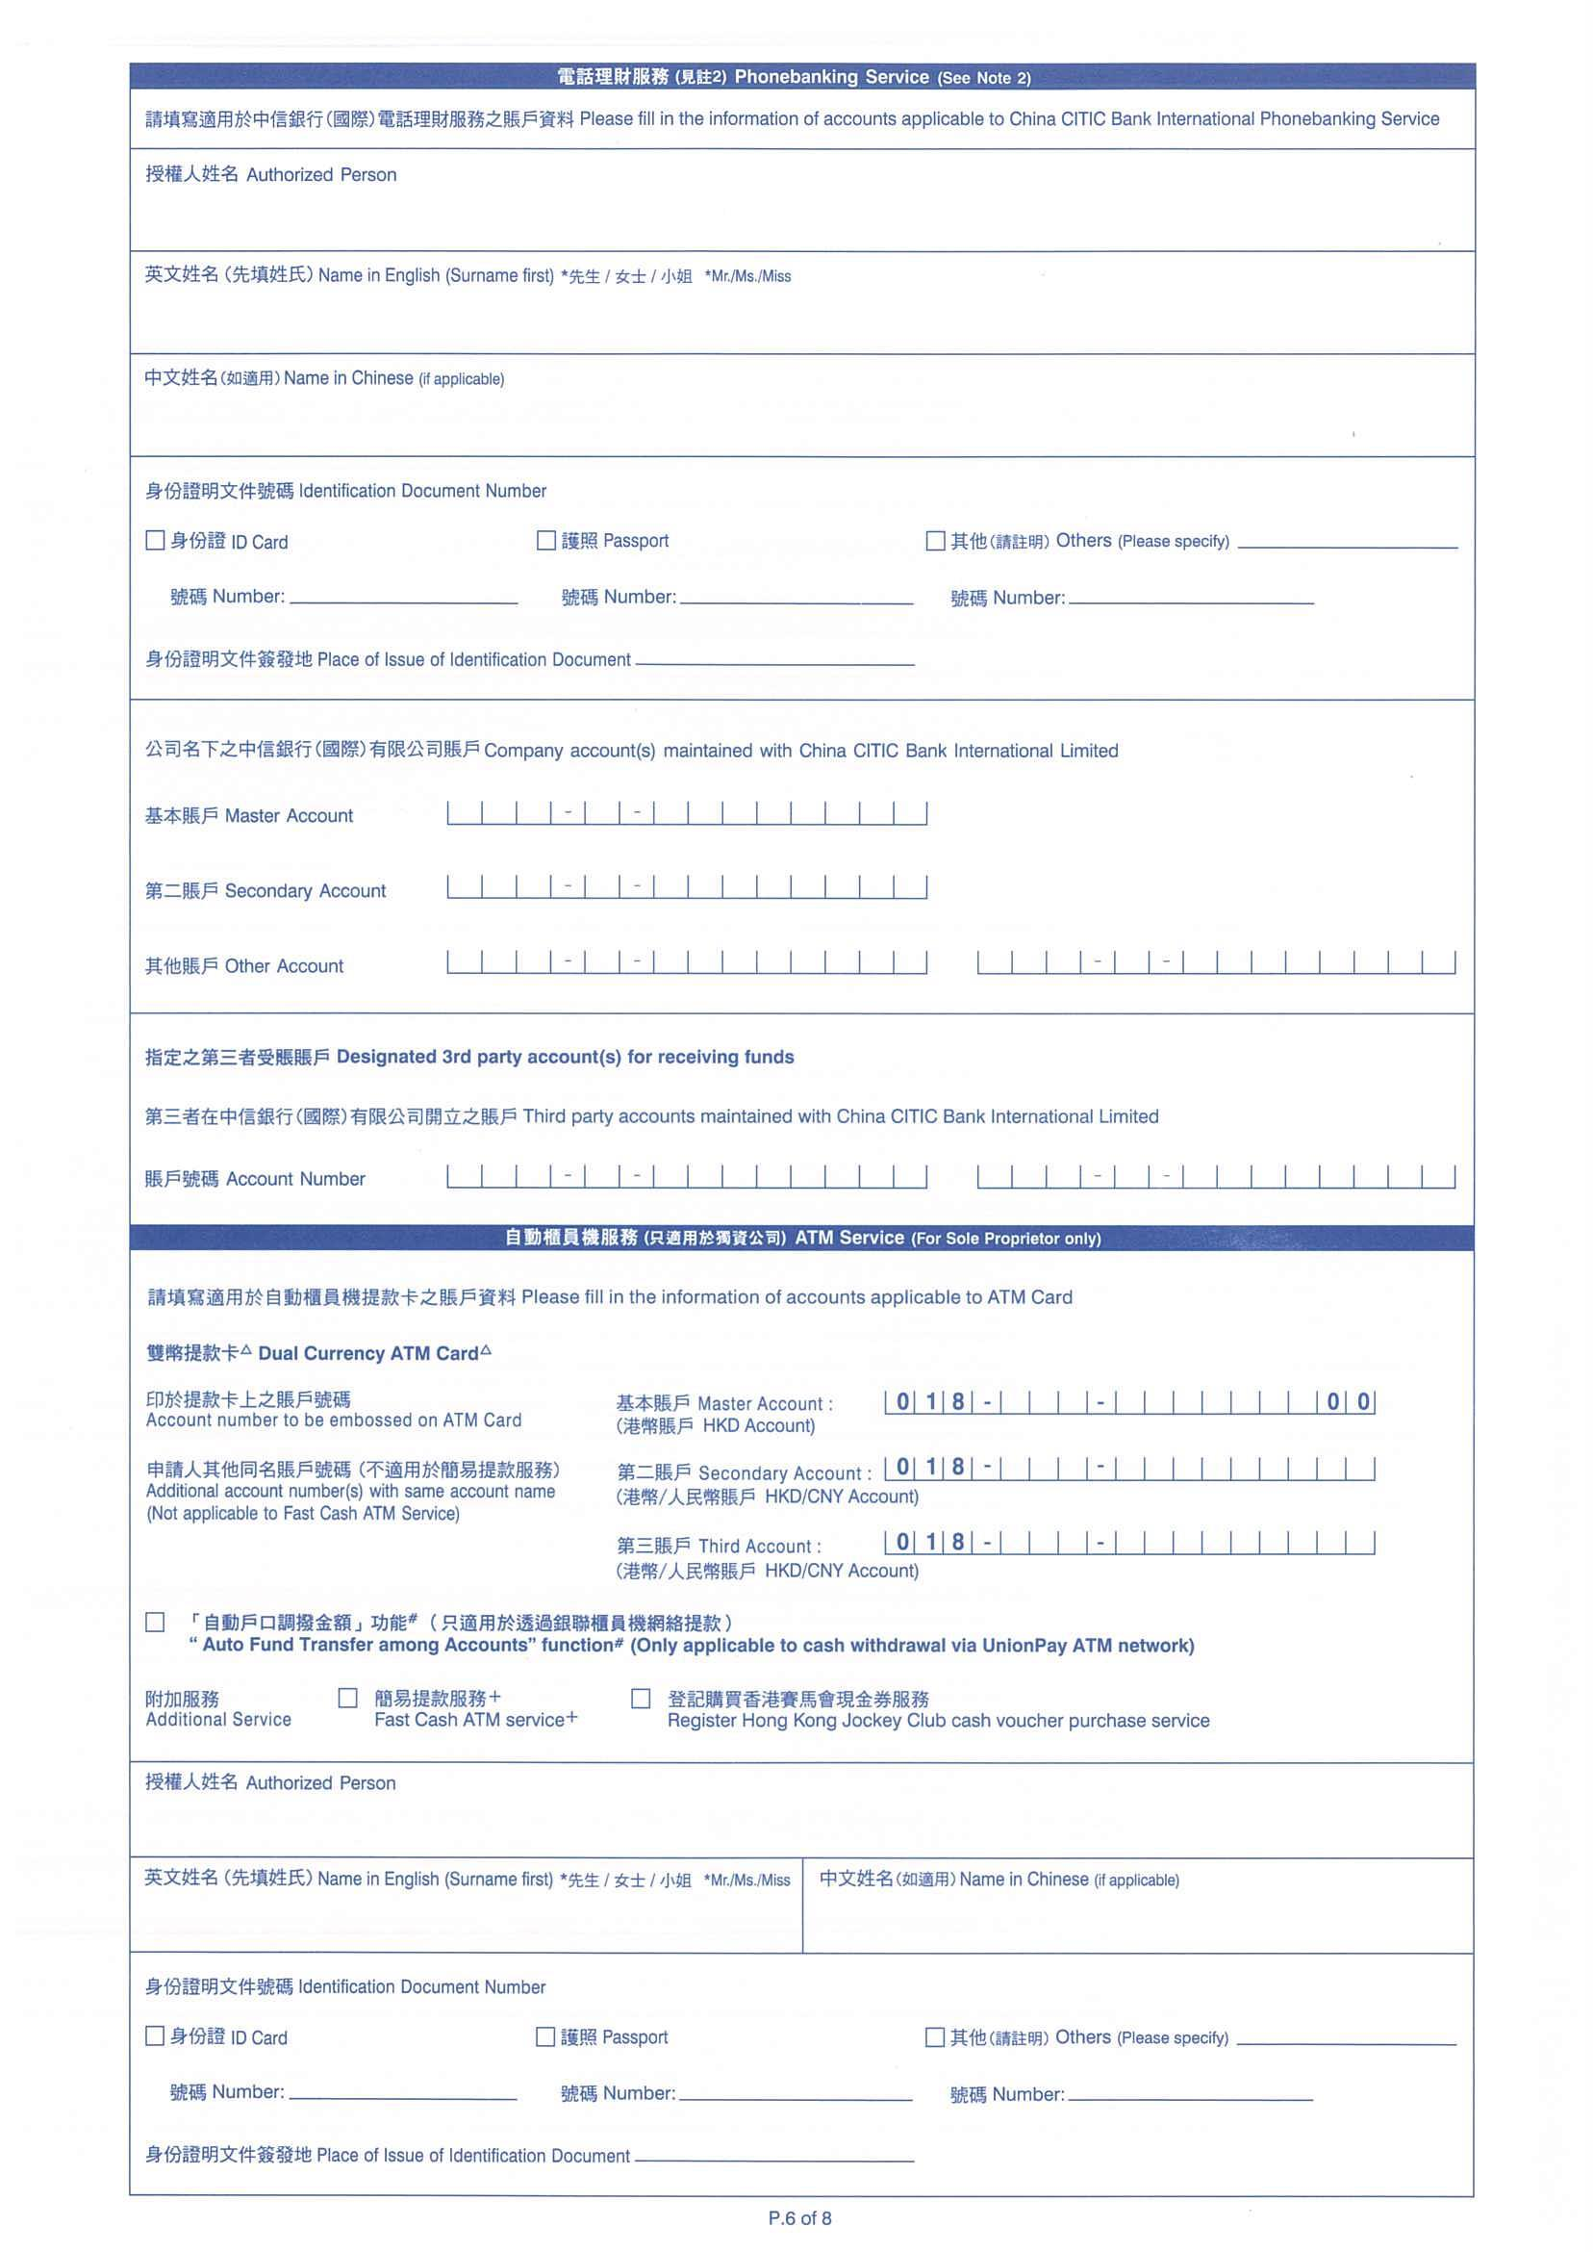
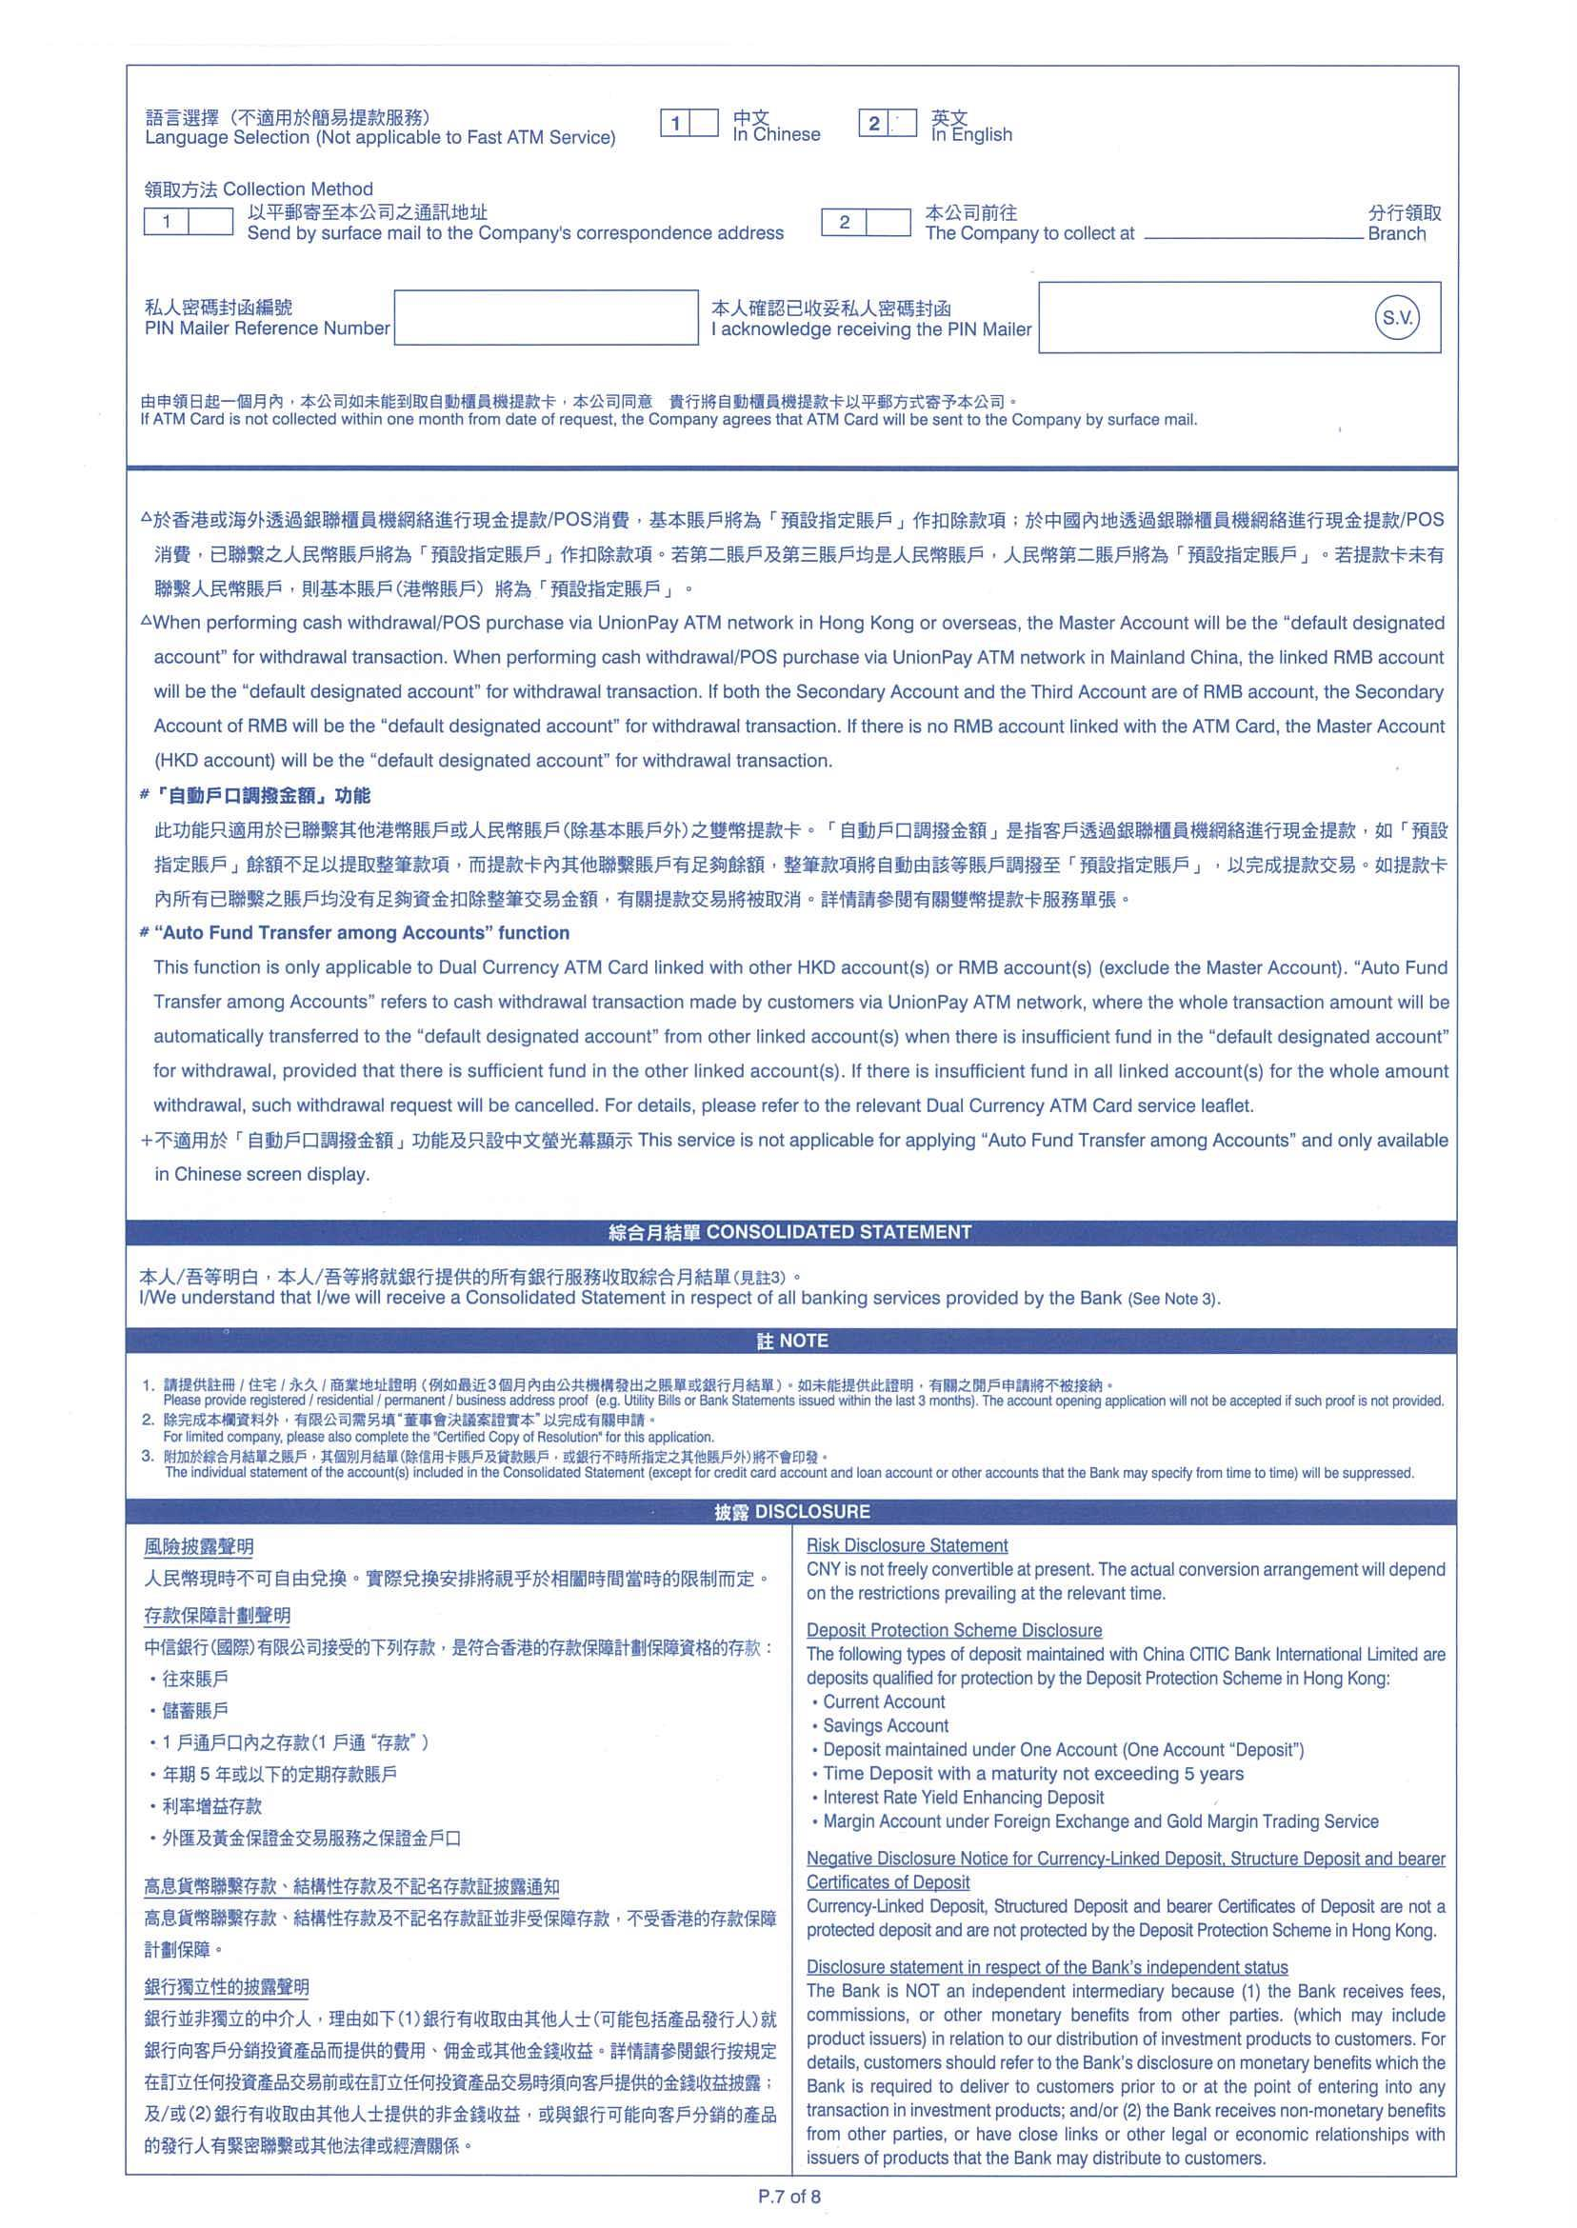

Please refer to worksheet "Company Information Part1" and "Company Information Part2"
Detailed field and validation of "Phonebanking Service" will be provided later in a separate worksheet.
User is not required to input on this page in the fillable form.

Detailed field and validation of "Particulars of Sole Proprietor" related party will be provided later in a separate worksheet.

Detailed field and validation of "ATM service" will be provided later in a separate worksheet.

Company Information Part1
# | Field name (EN) | Field name (TC) | Field name (SC) | Field Type | Mandatory | Validation | Remark | Map to CAMS field label
Group 1: Company Name And Identification Document 公司名稱及證明文件 公司名称及证明文件
1 | Company Name (in English) | 公司名稱 (英文) | 公司名称 (英文) | String (80) | Y |  |  | Company Name (in English)
2 | Company Name (in Chinese) | 公司名稱 (中文) | 公司名称 (中文) | String (40) | N | -Support Chinese |  | Company Name (in Chinese) (if applicable)
3 | Company Former Name (in English) | 公司前名稱(英文) | 公司前名称(英文) | String (80) | N |  |  | Company Former Name (in English) (if applicable)
4 | Company Former Name (in Chinese) | 公司前名稱(中文) | 公司前名称(中文) | String (40) | N | -Support Chinese |  | Company Former Name (in Chinese) (if applicable)
5 | Identification Document Country of Incorporation | 公司證明文件註冊地區 | 公司证明文件注册地区 | Dropdown list -Refer to CSV | Y |  |  | Customer ID_Country of Incorporation
6 | Identification Document Number Type | 公司證明文件類別 | 公司证明文件类别 | Dropdown list Value(EN): -Business Registration Certificate -Certificate of Incorporation -Others (Please specify) Value(TC): -商業登記證 -公司註冊證明書 -其他(請註明) Value(SC): -商业登记证 -公司注册证明书 -其他(请注明) | Y |  |  | Customer ID_Type
7 | Other Identification Document Number Type | 其他公司證明文件類別 | 其他公司证明文件类别 | String (10) | -Mandatory when ID type = others in #6 | -Show this field when ID type=others in #6 |  | Customer ID_Type_Others
8 | Identification Document Number | 公司證明文件號碼 | 公司证明文件号码 | String (22) | Y | -Field length for BR number: 11 digits |  | Customer ID Number
Group 2 : Company Information
9 | Constitution | 公司類別 | 公司类别 | Dropdown list -Refer to FRS section 20.29 #1-#6 | Y |  |  | Constitution
10 | Types of Issued Shares | 已發行股票類別 | 已发行股票类别 | Dropdown list Value(EN): -Registered shares -Bearer shares -A Company Limited by Guarantee Without a Share Capital Value(TC): -記名 -不記名 -無股本的擔保有限公司 Value(SC): -记名 -不记名 -无股本的担保有限公司 | -Mandatory when constitution = Limited | -Show this field when constitution=Limited Company in #9 |  | -Type of Issued Shares (for Limited Company Only)_Registered Shares -Type of Issued Shares (for Limited Company Only)_Bearer Shares -Type of Issued Shares (for Limited Company Only)_A Company Limited by Guarantee without a share captical
11 | Date of Incorporation | 註冊日期 | 注册日期 | Date | Y |  |  | Date of Incorporation
12 | Country of Incorporation | 註冊地區 | 注册地区 | Dropdown list -Refer to CSV | Y |  |  | Place of Incorporation
13 | Number of permanent staff | 全職員工人數 | 全职员工人数 | Integer(9) | Y |  |  | Number of Permanent Staff
Group 3 : Office 辦公室 办公室
14 | Office Telephone number | 辦公處電話號碼 | 办公处电话号码 | numeric String (3) | Y |  | Office Telephone number Country code | Office Telephone No._Country Code
15 |  |  |  | numeric String (3) | N | -disable this field if #14 = 852 | Office Telephone number Area code | Office Telephone No._Area Code
16 |  |  |  | numeric String (11) | Y |  | Office Telephone number | Office Telephone No.
17 | Fax number | 傳真號碼 | 传真号码 | numeric String (3) | N | -If there is any input in #17/18/19, then #17-#19 are mandatory | Fax number Country code | Fax No._Country Code
18 |  |  |  | numeric String (3) | N | -If there is any input in #17/18/19, then #17-#19 are mandatory -disable this field if #17 = 852 | Fax number Area code | Fax No. _Area Code
19 |  |  |  | numeric String (11) | N | -If there is any input in #17/18/19, then #17-#19 are mandatory | Fax number | Fax No.
20 | Email address | 電郵地址 | 电邮地址 | Email (70) | N |  |  | -Email Address -Email Address_Domain Name
21 | Registered Address | 註冊地址 | 注册地址 | String (40) | Y |  | Registered Address - line 1 | register address - line 1
22 |  |  |  | String (40) | N |  | Registered Address - line 2 | register address - line 2
23 |  |  |  | String (40) | N |  | Registered Address - line 3 | register address - line 3
24 |  |  |  | Dropdown list -Refer to CSV | Y |  | Registered Address - Country | register address - Country
25 | Business Address -Same as registered address | 商業地址 -與註冊地址相同 | 商业地址 -与注册地址相同 | checkbox | N |  |  | Same as registered address
26 | Business Address | 商業地址 | 商业地址 | String (40) | Y (when #25 is unchecked) | -If #25 checked, then hide this field | Business Address - line 1 | Business Address - line 1
27 |  |  |  | String (40) | N | -If #25 checked, then hide this field | Business Address - line 2 | Business Address - line 2
28 |  |  |  | String (40) | N | -If #25 checked, then hide this field | Business Address - line 3 | Business Address - line 3
29 |  |  |  | Dropdown list -Refer to CSV | Y | -If #25 checked, then hide this field | Business Address - Country | Business Address - Country
30 | Correspondence Address -Same as Registered Address | 通訊地址 -與註冊地址相同 | 通讯地址 -与注册地址相同 | checkbox | N | -Upon checked, disable #31 |  | Same as registered address
31 | Correspondence Address -Same as Business Address | 通訊地址 -與商業地址相同 | 通讯地址 -与商业地址相同 | checkbox | N | -Upon checked, disable #30 |  | Same as Business Address
32 | Correspondence Address | 通訊地址 | 通讯地址 | String (40) | Y (when #30/#31 is unchecked) | -If #30/#31 checked, then hide this field | Correspondence Address - line 1 | Correspondence Address - line 1
33 |  |  |  | String (40) | N | -If #30/#31 checked, then hide this field | Correspondence Address - line 2 | Correspondence Address - line 2
34 |  |  |  | String (40) | N | -If #30/#31 checked, then hide this field | Correspondence Address - line 3 | Correspondence Address - line 3
35 |  |  |  | Dropdown list -Refer to CSV | Y | -If #30/#31 checked, then hide this field | Correspondence Address - Country | Correspondence Address - Country
Group 4 : Details of Contact Person 聯絡人資料 联络人资料
36 | Title | 稱謂 | 称谓 | Dropdown list -Refer to FRS section 20.19 | N | -If any field in #36-42 is input, then all #36-42 are mandatory (except #40) -Allow customer provide up to 3 pairs |  | Title
Allow customer provide min. 1 pair, max 3 paires
37 | Name | 姓名 | 姓名 | String (40) | N | -If any field in #36-42 is input, then all #36-42 are mandatory (except #40) -Allow customer provide up to 3 pairs |  | Name
38 | Job Title | 職稱 | 职称 | String (15) | N | -If any field in #36-42 is input, then all #36-42 are mandatory (except #40) -Allow customer provide up to 3 pairs |  | Job Title
39 | Contact Phone Number | 聯絡電話 | 联络电话 | numeric (3) | N | -If any field in #36-42 is input, then all #36-42 are mandatory (except #40) -Allow customer provide up to 3 pairs | Country Code | #39+#40+#41 = Contact Phone Number
40 |  |  |  | numeric (3) | N | -If any field in #36-42 is input, then all #36-42 are mandatory (except #40) -Allow customer provide up to 3 pairs | Area Code | #39+#40+#41 = Contact Phone Number
41 |  |  |  | numeric (11) | N | -If any field in #36-42 is input, then all #36-42 are mandatory (except #40) -Allow customer provide up to 3 pairs | Contact Phone Number | #39+#40+#41 = Contact Phone Number
42 | Email address | 電郵地址 | 电邮地址 | Email (70) | N | -If any field in #36-42 is input, then all #36-42 are mandatory (except #40) -Allow customer provide up to 3 pairs |  | -Email Address -Email Address_Domain Name

Company Information Part2
# | Field name (EN) | Field name (TC) | Field name (SC) | Field Type | Mandatory | Validation | Remark | Map to CAMS field label
Group 1: Business Information 業務資料 业务资料
1 | Nature of Business/Industries | 商業/行業性質 | 商业/行业性质 | Dropdown list -Refer to FRS section 20.32 | Y | -Allow customer provide up to 5 pairs |  | Nature of Business / Industries
2 | Nature of Business/Industries (Others) | 商業/行業性質 (其他) | 商业/行业性质 (其他) | String (30) | -Mandatory when #1 select "Others" |  |  | Nature of Business / Industries Other (Please Specify)
3 | Nature of Products/Services offered | 所提供的商品或服務 | 所提供的商品或服务 | String (200) | Y |  |  | Nature of Products / Services Offered
4 | Sales Turnover | 銷售額 | 销售额 | Integer(9) | N |  |  | Sales Turnover
5 | Operation/Subsidiary/Factory outside Hong Kong | 境外營運/附屬公司/工廠 | 境外营运/附属公司/工厂 | Radio -Yes -No | Y | -Values: Yes, No |  | -Operation/ Subsidiary/ Factory outside HK_Yes '-Country List for Operation/ Subsidiary/ Factory outside HK_No
6 | Country List for Operation/Subsidiary/Factory outside Hong Kong | 境外營運/附屬公司/工廠國家 | 境外营运/附属公司/工厂国家 | Dropdown list -Refer to CSV | -Mandatory if #5 = Yes | -Show when #5 = Yes |  | Country List for Operation/ Subsidiary/ Factory outside HK (Yes)
7 | Locations of Major Counterparties | 主要交易對手所在地 | 主要交易对手所在地 | Dropdown list -Refer to CSV | Y | -Allow customer provide up to 5 pairs |  | Locations of Major Counterparties
Allow customer provide min. 1 value, max 5 values.
Group 2: Anticipated Source and Origin of Funds Passing Through the Account 預計戶口的資金來源及由來 预计户口的资金来源及由来
Allow customer provide min. 1 value, max 5 values.
8 | Source of Fund (Tick more than one box, if applicable) | 資金來源 (請選擇多項,如適用） | 资金来源 (请选择多项,如适用） | Check box Value(EN): -Sales Proceeds -From Business Owner -Return on Investment -Others Value(TC): -銷售收益 -來自業務擁有人 -投資收益 -其他 Value(SC): -销售收益 -来自业务拥有人 -投资收益 -其他 | Y | -Allow multiple selection -Minimum check one box |  | Source of Fund_Sale Proceeds Source of Fund_From Business Owner Source of Fund_Return on Investment Source of Fund_Other
9 |  |  |  | String (50) | -Mandatory if #8 = Others |  | Others (Please specify) | Source of Fund_Other (Please specify)
10 | Country of Source of Funds | 資金來源國家 | 资金来源国家 | Dropdown list -Refer to CSV | Y | -Allow customer provide up to 5 pairs |  | Country of Source of Funds
Anticipated Monthly Transactional Acitivity
22 | Deposit - Transactional activity |  |  | Check box | Y | -values: Receipts from customer, Inter-Co Transfer, Others (Please specify) -If Others is selected, then pop up "Please specify" text field for customer to input
23 | Deposit - Number of transactions per month |  |  | Dropdown list | Y | -values: 0-30, 31-60, 61-100, >100
24 | Deposit - Total amount per month (HK$) |  |  | Dropdown list | Y | -values: HK$0-HK$100,000 , HK$100,001-HK$1,000,000 , HK$1,000,001-HK$5,000,000 , >HK$5,000,000
25 | Withdrawal - Transactional activity |  |  | Check box | Y | -values: Payment to Supplier, Payroll, Inter-Co transafer, Others (Please specify) -If Others is selected, then pop up "Please specify" text field for customer to input
26 | Withdrawal - Number of transactions per month |  |  | Dropdown list | Y | -values: 0-30, 31-60, 61-100, >100
27 | Withdrawal - Total amount per month (HK$) |  |  | Dropdown list | Y | -values: HK$0-HK$100,000 , HK$100,001-HK$1,000,000 , HK$1,000,001-HK$5,000,000 , >HK$5,000,000

